Sheet1
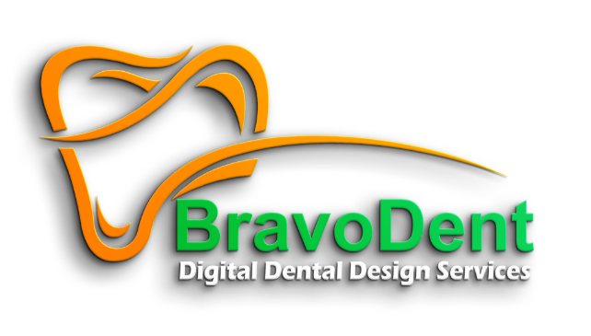

 |  |  | 24/7 Support |  |  |  |  |  | Bravodent Digital Design Center
 |  |  | We’re here to assist you with orders and inquiries anytime you need. |  |  |  |  |  | We provide world-class digital dental designs, serving clients globally with precision, innovation, and reliability.
 |  |  | Click Here to connect with us! |  |  |  |  |  | Explore Our Services |  | | Start Your Free Trial

 |  |  | Home |  | About Us |  | Products & Services | Portal Workflow | Join our Team | FAQ | Contact Us | Login/Sign Up

 |  |  |  |  | Welcome to the BravoDent Family

 |  |  |  |  | Where precision, care, and collaboration come together to create exceptional dental solutions. Let’s achieve greatness together!

 |  |  | Box m fit kro acha se

 |  |  | 01 | Advanced CAD Design Solutions
 |  |  | Delivering precise digital dental designs, BravoDent offers a full suite of services powered by cutting-edge technology to support your workflow and deliver exceptional results.

 |  |  | 02 | Expert-Led Collaboration
 |  |  | Partner with certified dental professionals who deeply understand the challenges of labs and clinics, ensuring every case meets the highest standards of quality and reliability.

 |  |  | 03 | Seamless Workflow Integration
 |  |  | Experience effortless collaboration with our intuitivePortal, designed to simplify communication, provide real-time updates, and ensure a smooth design-to-delivery process.

 |  |  |  |  |  | Welcome to BravoDent Design Center, India!
Bravodent is one of India’s leading providers of 3Shape design services, catering to the outsourcing needs of overseas dental labs.technicians to build skilled teams for superior designs.
We work hard to deliver top-tier dental designs that help labs grow their business while also focusing on training dental
To ensure consistency and reliability, each client is assigned a dedicated design team that understands their unique needs and preferences.
Our commitment to quality, trust, and long-term partnerships drives us to provide exceptional and personalized service every time.

 |  |  |  |  |  |  |  |  | Jaisa maine apko ref diya tha kuch acha or clean and proffesional design krna pls

 |  | BRAVODENT SERVICES

 |  | Reliable Solutions, Affordable Pricing, Trusted by Labs Worldwide.
 |  | Delivering quality dental designs every time.

 |  | 2. Timely Solutions for Your Practice
 |  | Designs ready in hours, ensuring your workflow stays smooth.

 |  | 3. Here for You, Always
 |  | 24/7 support to address your needs, no matter the time. |  |  |  |  | icans
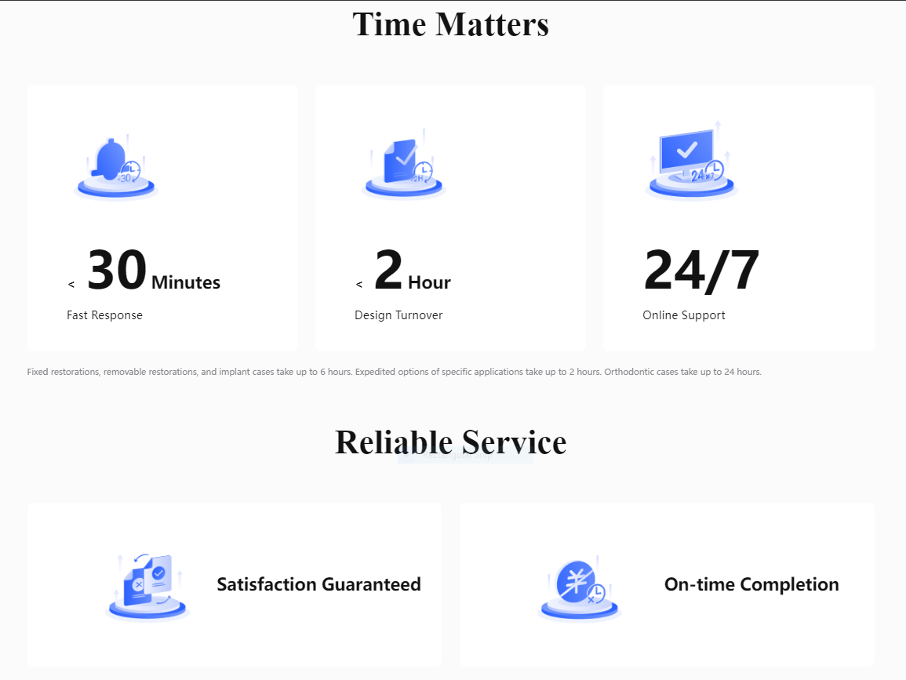
 |  | 4. Certified Excellence in Every Step |  |  |  |  | Icans
 |  | ISO-certified processes for trusted results worldwide.

 |  | 5. Effortless Process, Outstanding Results
 |  | Simplifying your workflow from design to delivery.

 |  | 6. Your Success, Our Commitment
 |  | Focused on helping your practice grow with reliable solutions.

 |  | 7. Quality That Speaks for Itself
 |  | Designs crafted with care and expertise, every single time.

 |  | 8. Fast Turnaround Without Compromise
 |  | Speed and accuracy delivered in every project.

 |  | 9. Global Reach with Personalized Care
 |  | Supporting dental labs worldwide, treating every client like family.

 |  | 10. Solutions That Fit Your Needs
 |  | Delivering designs and support that align with your practice’s goals.

 | ISO Certified Excellence

 | Bravodent Design Center is an ISO Certified Facility, reflecting our commitment to quality, safety, and precision. Every design and product we deliver meets global standards, ensuring trust and reliability in every step of our collaboration.
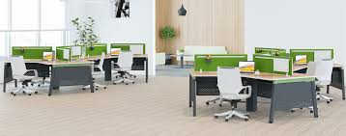
 | (Insert ISO Certification Picture Here)

 |  |  |  |  |  |  | Fast Turnaround
 |  |  | Designs delivered within 1-2 hours, 6 hours, 12 hours, or by 7 AM your time—providing reliable timelines without compromising on quality.
 |  |  |  |  | 1-2 hours |  | 6 Same Day | 12 hours Next Day | jaisa pako call pr btya tha vaise karna ican add important h ye option
 |  |  | Dedicated Support: 24/7 assistance from our expert team.

 |  |  |  |  | Running
 |  |  |  |  | 10000,000+
 |  |  |  |  | Cases Completed

 |  |  |  |  | 50+
 |  |  |  |  | Expert Designers

 |  |  |  |  | 200+
 |  |  |  |  | Satisfied Clients

 |  |  |  |  | 10+
 |  |  |  |  | Countries Served Worldwide

 |  |  |  | Add map picture show where we have clinets

 |  |  | Design Products & Services, We Provide
 |  |  | Reliable, Affordable, and Delivered On Time.

 |  |  | 1. Fixed Designs
 |  |  | High-quality, durable solutions for crowns, bridges, and full-arch restorations that ensure precision and reliability.

 |  |  | 2. Removable Designs
 |  |  | Flexible and adaptable solutions for complete and partial dentures, offering unparalleled freedom and convenience.

 |  |  | 3. Implant Designs
 |  |  | Precision-crafted implant restorations designed for functionality, longevity, and patient satisfaction.

 |  |  | 4. Global Reach
 |  |  | Supporting dental practices worldwide with advanced, cost-effective design solutions.

 |  |  | 5. Cost-Effective Solutions
 |  |  | Reduces overhead costs by eliminating the need for an in-house dental design team while maintaining exceptional quality.

 |  |  | Our Happy Clients

 |  |  | 1. Dr. Emily Carter, California, USA
 |  |  | "The team at BravoDent is always just a message away. No matter the time, they’ve always helped us resolve our queries and challenges quickly."

 |  |  | 2. Dr. Michael Adams, New York, USA
 |  |  | "Bravodent makes it easy to collaborate remotely. Their support team is prompt, professional, and incredibly reliable."

 |  |  | 3. Dr. Sarah Williams, Texas, USA
 |  |  | "Whenever we’ve faced a challenge, the BravoDent team has been quick to provide solutions. Their remote assistance has been a real advantage for us."

 |  |  | 4. Dr. David Brown, Florida, USA
 |  |  | "The BravoDent team provides excellent remote support, ensuring that any issue we face is resolved smoothly. Their dedication is unmatched."

 |  |  | 5. Dr. Olivia Martin, Illinois, USA
 |  |  | "Bravodent’s remote team is incredibly helpful. They ensure we never feel stuck, no matter the problem or time of day."

 |  |  | 6. Dr. Liam Smith, Toronto, Canada
 |  |  | "The team at BravoDent is always available and willing to help. Their remote support has made a huge difference in keeping our workflow on track."

 |  |  | 7. Dr. Ava Thompson, Sydney, Australia
 |  |  | "Bravodent has been fantastic in helping us remotely. Whether it’s small adjustments or larger concerns, they’ve always been there for us."

 |  |  | 8. Dr. William Harris, London, UK
 |  |  | "We’ve relied on BravoDent’s remote support multiple times, and they’ve always delivered. It’s reassuring to know they’re there for us."

 |  |  | 9. Dr. Mia White, Auckland, New Zealand
 |  |  | "Their remote assistance is second to none. The BravoDent team ensures every issue is resolved quickly and professionally."

 |  |  | 10. Dr. James Taylor, Cape Town, South Africa |  |  |  |  |  |  |  | 5 dal dena baki Lean more.. Per link de dena
 |  |  | "Having BravoDent as a partner means we’re never alone. Their remote support has been a key part of our success."

